Results
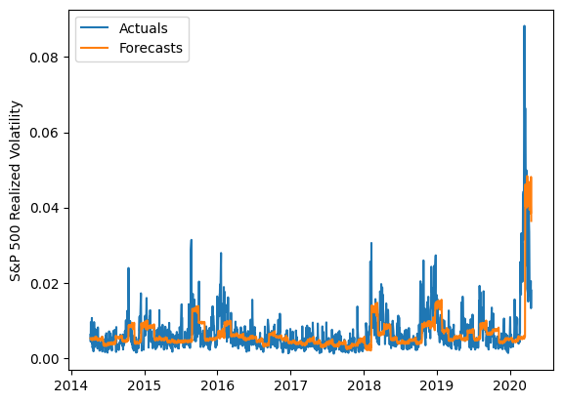
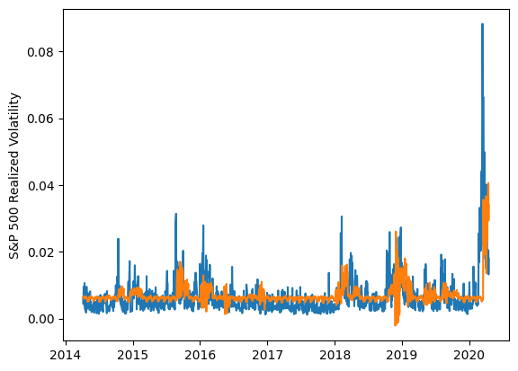
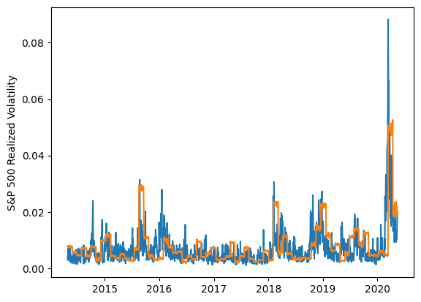
 | LSTM |  |  | TCN |  |  | NBEATSx |  |  |  |  | LSTM |  |  | TCN |  |  | NBEATSx
 | Accuracy | RMSE | Qlike | Accuracy | RMSE | Qlike | Accuracy | RMSE | Qlike |  |  | Accuracy | RMSE | Qlike | Accuracy | RMSE | Qlike | Accuracy | RMSE | Qlike
Trial 1 | 52.62% | 0.0029873934943 | 0.1940227991 | 37.70% | 0.003256825615 | 0.22808111441 | 38.28% | 0.0037069380529 | 0.24756584423 |  | Mean | 47.00% | 0.314% | 0.197 | 31.81% | 0.335% | 0.249 | 38.82% | 0.367% | 0.240
Trial 2 | 55.40% | 0.0029573097993 | 0.20506078986 | 36.01% | 0.0032369502812 | 0.22912856922 | 39.22% | 0.0036354479101 | 0.23832072243 |  | Standard Deviation | 8.32% | 0.018% | 0.037 | 4.80% | 0.013% | 0.022 | 0.41% | 0.003% | 0.005
Trial 3 | 47.53% | 0.0030443658621 | 0.17804341862 | 26.97% | 0.0035529270904 | 0.27323623018 | 38.45% | 0.0036944099041 | 0.24775146545 |  | 95% CI upper bound | 63.63% | 0.349% | 0.272 | 41.41% | 0.361% | 0.293 | 39.64% | 0.372% | 0.249
Trial 4 | 35.90% | 0.0034036932482 | 0.17773920524 | 29.92% | 0.0033655660803 | 0.2569945747 | 38.86% | 0.0036623692048 | 0.23596861286 |  | 95% CI lower bound | 30.37% | 0.278% | 0.123 | 22.20% | 0.309% | 0.205 | 37.99% | 0.362% | 0.231
Trial 5 | 49.01% | 0.0030750121765 | 0.18401042985 | 39.20% | 0.0031411886064 | 0.21449233148 | 39.09% | 0.0036478267716 | 0.23701384494 |  | 99.7% CI upper bound | 71.95% | 0.367% | 0.309 | 46.22% | 0.374% | 0.315 | 40.06% | 0.375% | 0.254
Trial 6 | 42.04% | 0.0031967587153 | 0.17659399432 | 33.88% | 0.0032962724224 | 0.23683676925 | 38.71% | 0.0036751223237 | 0.2443240935 |  | 99.7% CI lower bound | 22.05% | 0.260% | 0.086 | 17.39% | 0.296% | 0.183 | 37.57% | 0.359% | 0.226
Trial 7 | 52.51% | 0.0029605920732 | 0.18359152276 | 26.09% | 0.0035545276029 | 0.27874033815 | 38.32% | 0.0036804981764 | 0.23421483358
Trial 8 | 57.62% | 0.0031246378526 | 0.30915568557 | 26.38% | 0.00345421741 | 0.27391634545 | 38.55% | 0.0036906904932 | 0.24203112395
Trial 9 | 50.22% | 0.0030340556965 | 0.19013361275 | 37.79% | 0.0032260701591 | 0.21815924234 | 38.36% | 0.0036984503635 | 0.24182088751
Trial 10 | 44.57% | 0.003154721834 | 0.17950997968 | 24.63% | 0.0035300390185 | 0.27984158761 | 38.54% | 0.0036960912886 | 0.24566764722
Trial 11 | 43.55% | 0.0031394190855 | 0.1761589944 | 33.22% | 0.0032745000737 | 0.24634161867 | 38.88% | 0.003654949507 | 0.23765938019
Trial 12 | 49.98% | 0.003032142806 | 0.18231713645 | 27.01% | 0.0034129716403 | 0.26818552722 | 39.40% | 0.0036449780023 | 0.23875193189
Trial 13 | 29.33% | 0.0035886654746 | 0.18396586286 | 33.99% | 0.0032366991635 | 0.23742624137 | 39.11% | 0.0036373696387 | 0.2338551508
Trial 14 | 57.87% | 0.0030356234117 | 0.25781174446 | 30.53% | 0.0033697664311 | 0.25476478098 | 39.66% | 0.0036255563914 | 0.23754674901
Trial 15 | 36.84% | 0.0033113378946 | 0.18356779969 | 33.77% | 0.0033736752128 | 0.23934283438 | 38.82% | 0.0036664768178 | 0.23774678257

 | LSTM (best trial) |  |  |  |  |  |  |  |  | TCN (best trial) |  |  |  |  |  |  |  |  | NBEATSx (best trial)

